Menu
HOW TO ORDER? | MENU

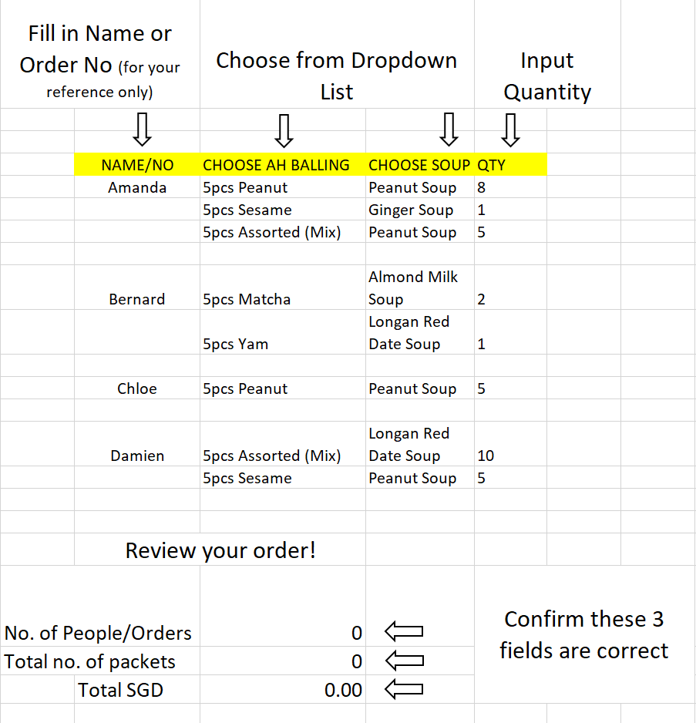
 | 5pcs Peanut | Peanut Soup
 | 5pcs Sesame | Ginger Soup
 | 5pcs Yam | Almond Milk Soup
 | 5pcs Red Bean | Longan Red Date Soup
 | 5pcs Matcha
 | 5pcs Assorted (Mix)
 | Note: For 5pcs Assorted (Mix), there will be no choosing of Ah Balling flavours.

 | PRICE PER PACKET
 | $2.70

 | Click here to Start Ordering

 | Available Delivery Timings | 1pm - 2pm
 |  | 2pm - 3pm
 |  | 3pm - 4pm
 |  | 4pm - 5pm
 |  | 5pm - 6pm
 |  | 6pm - 7pm

